Sheet1
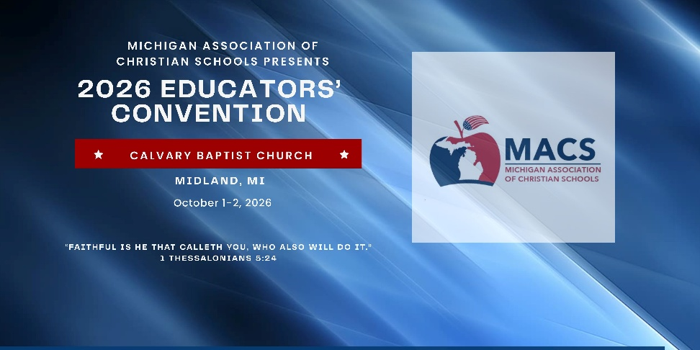

School & Staff Registration Form
October 1 & 2, 2026 Calvary Baptist Church. Midland, MI
Please complete the form below, save, and email to gcs@geneseechristianschool.com to register your staff for the 2026 MACS Educators' Convention.
For more information visit:

 | School Name |  |  | For payment by check:
 | Street Address |  |  | Make checks payable to: MACS
 | City |  |  | Mail checks to:
 | State |  |  | Genesee Christian School
 | Zip |  |  | Attn: Kat Hartwig
 | Administrator's Name |  |  | 1223 S. Belsay Rd., Burton, MI 48509
 | Administrator's Email
 | Phone Number
 | Which AACS State Association?
 | Administrator's Breakfast Y/N?

Please list each person who will be attending the convention, their position in your school and their email address. Individual email addresses will be needed for each attendee so that they will have access to the Whova App. Each individual will be sent a link to access the Whova App in September which will contain all the information for the convention including the schedule, workshops, and speaker bios.
Please include any of your staff who may be speaking this year. Their registration fee will be waived or refunded if chosen to present a workshop.
Please include administrator in list below even though listed above.
You will receive a PayPal invoice for your registrations after you send this list in so you can pay online with credit card or mail a check.
 | Staff Member First Name | Staff Member Last Name | Email Address | Teacher/Staff Title | Speaker?
1
2
3
4
5
6
7
8
9
10
11
12
13
14
15
16
17
18
19
20
21
22
23
24
25
26
27
28
29
30
31
32
33
34
35
36
37
38
39
40

